Quart KeyStats Visuals&Table
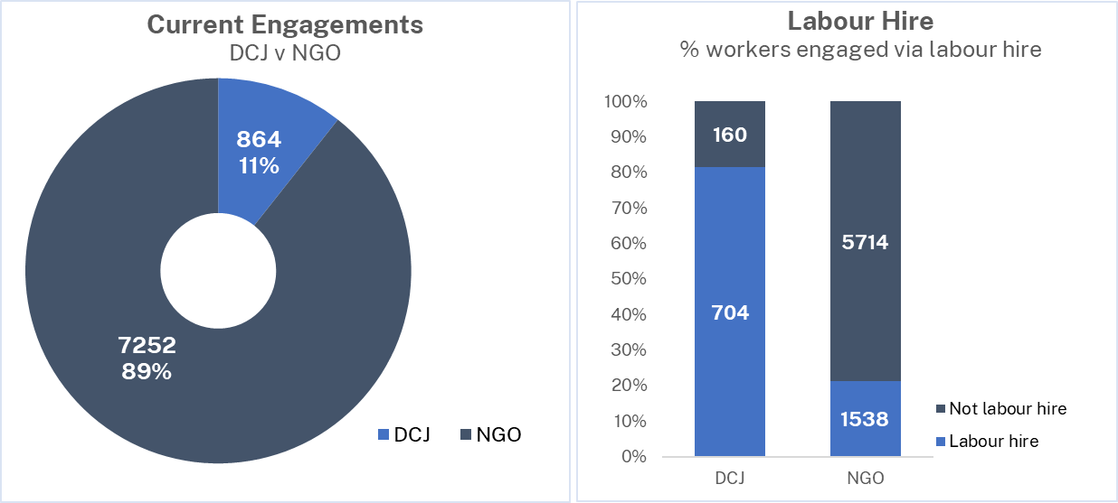
Residential Care Workers Register - Quarterly Key Statistics Q2 2022/23 | Residential Care Workers Register - Quarterly Key Statistics Q2 2022/23
 |  | Summary - GO LIVE date 18 July 2022 - Current engagements are workers recorded with an "engaged" status on the Register - 18 of 65 NGOs are Aboriginal Community Controlled Organisations - 37 of 65 NGOs are accredited for Residential Care - NGOs manage 89% of all currently engaged workers - 68% of current engagements are Back Capture* entries (5522 of 8116) - 28% of current engagements are staff sourced from Labour Hire agencies, across 26 agencies - 14% of currently engaged individuals have multiple agency associations**, across 40 agencies - 7% of currently engaged individuals identify as Aboriginal and / or Torres Strait Islander. Of these, 25% (123 of 468) are engaged with ACCOs. - 63% of currently engaged individuals identify as female, 37% as male, 0.6% as X * Back Capture engagements are those which had commenced prior to Register launch ** Multiple agency associations means the worker is currently engaged by more than one agency

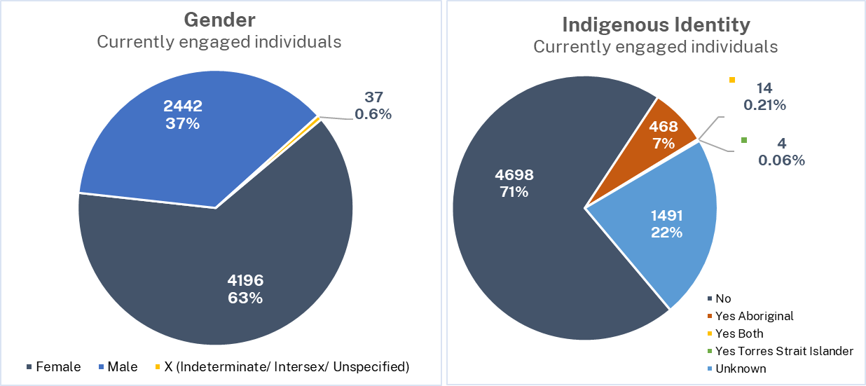
 |  |  | Fin Year 2022/23 _ | Q1 | Q2 | Q3 | Q4
 |  |  | Registered Agencies | 62 | 66
 |  |  | DCJ | 1 | 1
 |  |  | NGO | 61 | 65

 |  |  | Current Engagements | 6017 | 8116
 |  |  | DCJ | 537 | 864
 |  |  | NGO | 5480 | 7252
 |  |  | Labour Hire Engagements | 1364 | 2242
 |  |  | DCJ | 417 | 704
 |  |  | NGO | 947 | 1538

 |  |  | Number of Distinct Individuals | 5250 | 6675
 |  |  | Number of distinct indv. with multi-associations | 538 | 910
 |  |  | Indigenous Identity
 |  |  | Not Aboriginal and / or Torres Strait Islander | 3843 | 4698
 |  |  | Yes - Aboriginal | 335 | 468
 |  |  | Yes - Aboriginal and / or Torres Strait Islander | 8 | 14
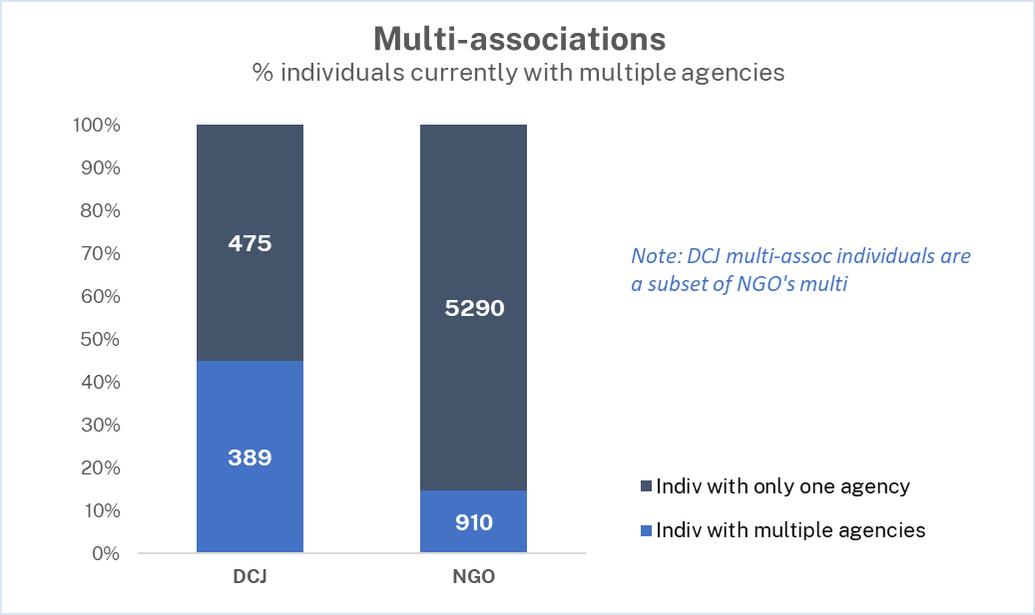
 |  |  | Yes - Torres Strait Islander | 4 | 4
 |  |  | Unknown | 1060 | 1491
 |  |  | Gender Identity
 |  |  | Female | 3235 | 4196
 |  |  | Male | 1999 | 2442
 |  |  | X - Indeterminate / Intersex / Unspecified | 16 | 37

 |  |  | In progress new applicants (consented within quarter) | 223 | 204
 |  |  | DCJ | 20 | 34
 |  |  | NGO | 203 | 170

 |  |  | New engagements (start date within quarter) | 878 | 1930
 |  |  | DCJ | 40 | 215
 |  |  | NGO | 838 | 1715
 |  |  | Ended Engagements (ended within quarter) | 83 | 363
 |  |  | Contact Agency - Yes | 6 | 18
 |  |  | Contact Agency - No | 77 | 345

 |  |  | Total Reportable Allegations (at end of quarter) | 13 | 65
 |  |  | Current (within quarter) | 11 | 32
 |  |  | Finalised - No record (within quarter) | 2 | 16
 |  |  | Finalised - Contact agency (within quarter) | 0 | 1

