Quart KeyStats Visuals&Table
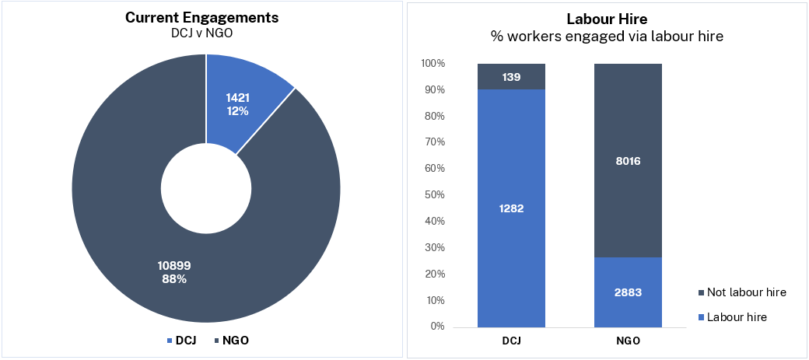
Residential Care Workers Register - Quarterly Key Statistics Q3 2023/24 | Residential Care Workers Register - Quarterly Key Statistics Q3 2023/24
 |  | Summary - GO LIVE date 18 July 2022 - Current engagements are workers recorded with an "engaged" status on the Register - 22 of 67 NGOs are Aboriginal Community Controlled Organisations - 38 of 67 NGOs are accredited for Residential Care - NGOs manage 88% of all currently engaged workers - 29% of current engagements are Back Capture* entries (3591 of 12320) - 34% of current engagements are staff sourced from Labour Hire agencies, across 29 agencies - 17% of currently engaged individuals have multiple agency associations**, across 48 agencies - 7.7% of currently engaged individuals identify as Aboriginal and / or Torres Strait Islander Of these, 28.1% (199 of 707) are engaged with ACCOs. - 61.9% of currently engaged individuals identify as female, 37.7% as male, 0.4% as X * Back Capture engagements are those which had commenced prior to Register launch ** Multiple agency associations means the worker is currently engaged by more than one agency

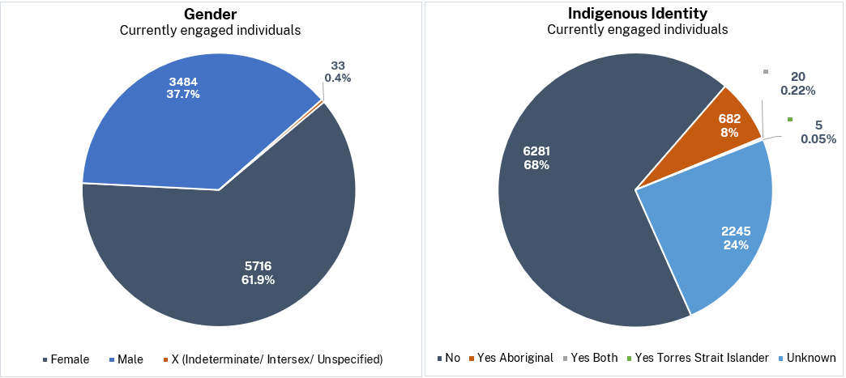
 |  |  | Fin Year 2023/24 _ | Q1 | Q2 | Q3 | Q4
 |  |  | Registered Agencies | 68 | 66 | 68
 |  |  | DCJ | 1 | 1 | 1
 |  |  | NGO | 67 | 65 | 67

 |  |  | Current Engagements | 11442 | 11153 | 12320
 |  |  | DCJ | 1248 | 1287 | 1421
 |  |  | NGO | 10194 | 9866 | 10899
 |  |  | Labour Hire Engagements | 3742 | 3791 | 4165
 |  |  | DCJ | 1070 | 1123 | 1282
 |  |  | NGO | 2672 | 2668 | 2883

 |  |  | Number of Distinct Individuals | 8705 | 8419 | 9233
 |  |  | Number of distinct indv. with multi-associations | 1406 | 1448 | 1533
 |  |  | Indigenous Identity
 |  |  | Not Aboriginal and / or Torres Strait Islander | 5932 | 5771 | 6281
 |  |  | Yes - Aboriginal | 620 | 578 | 682
 |  |  | Yes - Aboriginal and / or Torres Strait Islander | 22 | 17 | 20
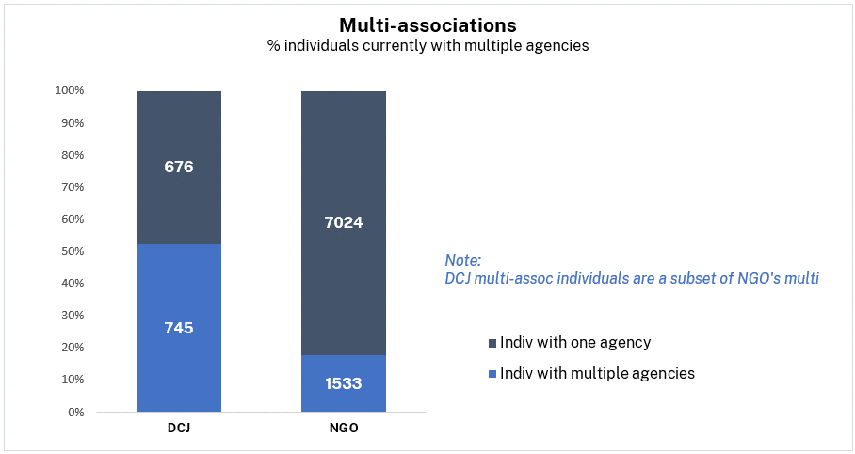
 |  |  | Yes - Torres Strait Islander | 4 | 6 | 5
 |  |  | Unknown | 2127 | 2047 | 2245
 |  |  | Gender Identity
 |  |  | Female | 5425 | 5228 | 5716
 |  |  | Male | 3242 | 3159 | 3484
 |  |  | X - Indeterminate / Intersex / Unspecified | 38 | 32 | 33

 |  |  | In-progress New Applicants (consented within quarter) | 472 | 325 | 284
 |  |  | DCJ | 45 | 44 | 31
 |  |  | NGO | 427 | 281 | 253

 |  |  | New Engagements (start date within quarter) | 1937 | 1830 | 1668
 |  |  | DCJ | 199 | 138 | 133
 |  |  | NGO | 1738 | 1692 | 1535
 |  |  | Ended Engagements (ended within quarter) | 838 | 1189 | 908
 |  |  | Contact Agency - Yes | 14 | 29 | 20
 |  |  | Contact Agency - No | 824 | 1160 | 888

 |  |  | Total Reportable Allegations (at end of quarter) | 157 | 196 | 243
 |  |  | Current (within quarter) | 24 | 36 | 37
 |  |  | Finalised - No record (within quarter) | 10 | 17 | 26
 |  |  | Finalised - Contact agency (within quarter) | 9 | 10 | 12

